1. Title Page
[Instacart Basket Analysis]

Project Name: Instacart Basket Analysis
Date: Sep. 12. 2022
Analyst Name: Brian Yoo

Contents:
Population Flow
Consistency checks
Wrangling steps
Column derivations
Visualizations
Recommendations

2. Population Flow
Title page

Population flow

Exclusion flag
Condition: max_order < 5
Obervations to be removed: 1440295
Final total count of order_products_all: 29270938

Orders_products_combined
Orders_products_merged
Orders_products_all

Total: 32404859
Total: 32434489
Total: 29270938

1.) The grey boxes in the first row of the population flow represent the original data sets as they were when you downloaded them. In the Total fields you need to add the count of the rows when you imported the data set into Jupyter.
2.) The second row of boxes (coloured) represents the data sets after you manipulated them, e.g., removed missing values and duplicates. In the Total fields you need to add the count of the rows after conducting these operations. This offers a visual oveview of how the data flows throughout the data consistency checks.
3.) The third row, where also the arrows are coloured, represents the merges you performed between the datasets. In the Total fields you need to add the count of the rows in the merged datasets, so that you end up with the final dataset (in the red box). Keep in mind the final dataset should be without exclusions (based on the exclusion flag).

3. Consistency checks
 |  |  |  | Title page
Consistency checks

Dataset | Missing values | Missing values treatment | Duplicates
orders | 206209 missing data in days_since_prior_order | nothing | duplication was not found
products | 16 missing data in product_name | data set was created without missing value | duplication was not found
orders_products_prior | nothing | nothing | duplication was not found
customers | 11259 missing data in first_name | nothing | duplication was not found

4. Wrangling steps
 |  |  |  |  | Title page
Wrangling steps

 | Columns dropped | Columns renamed | Columns' type changed | Comment/Reason
Order | eval_set
 |  | order_dow - order_day_of_week |  | consistency

 |  |  | order_id - str | column act as key
Order_product_merged | _merge
 | aisle_id
Orders_products_all | first_name |  |  | PII
 | last_name |  |  | PII
 | family_type |  |  | PII
 |  | n_dependant |  | consistency
 |  | First name |  | consistency
 |  | Surname |  | consistency
 |  | fam_status |  | consistency
 |  | Gender |  | consistency
 |  | Age |  | consistency
 |  | STATE |  | consistency

5. Column derivations
 |  |  |  |  | Title page

Column derivations and aggregations

In this tab you should add tables below that the frequences of flags/label variables that you produced after deriving them. NB: don't do this for continuous variables, only for flags.
Dataset | New column | Column/s it was derived from | Frequency table code | Conditions
df_merged | busiest_day | orders_day_of_week | result = [] for value in ords_prods_merged['order_date_of_week'] : if value == 0 : result.append('Busiest day') elif value == 4 : result.append('Least day') else : result.append('Regularly day') | 0 is busiest day, 4 is least day, and else is regularly day
 | busiest_days | orders_day_of_week | result2 = [] for value in ords_prods_merged['order_date_of_week'] : if value in [0,1] : result2.append('Busiest days') elif value in [4,3] : result2.append('Slowest days') else : result2.append('Regularly days') | 0 and 1 - busiest day. 4 and 3 - slowest day. Else is regularly day
 | busiest_period_day | order_hour_of_day | result3 = [] for value in ords_prods_merged['order_hour_of_day']: if value>=9 and value<=16: result3.append("Most orders") elif value<=6: result3.append("Fewest orders") else: result3.append("Average orders") | 9 <= value <=16 is most orders. Value <= 6 is fewest day. Else is average day
 | max_order | user_id, order_number | ords_prods_merged['max_order'] = ords_prods_merged .groupby(['user_id'])['order_number'].transform(np.max) | max number of orders for each user
 | loyalty-flag | max_order | ords_prods_merged.loc[ords_prods_merged['max_order'] > 40, 'loyalty_flag'] = 'Loyal customer' ords_prods_merged.loc[(ords_prods_merged['max_order'] > 10) & (ords_prods_merged['max_order'] <= 40), 'loyalty_flag'] = 'Regular customer' ords_prods_merged.loc[ords_prods_merged['max_order'] < 10, 'loyalty_flag'] = 'New customer' | max order > 40 is loyal customer. 10<=max order<=40 is regular customer. Max order<10 is new customer
 | mean_order | prices, user_id | ords_prods_merged['mean_order'] = ords_prods_merged.groupby(['user_id'])['prices'].transform(np.mean) | mean order of each user
 | High_Low | mean_price | ords_prods_merged.loc[ords_prods_merged['mean_order'] >= 10, 'High_Low'] = 'High spender' ords_prods_merged.loc[ords_prods_merged['mean_order'] < 10, 'High_Low'] = 'Low spender' | mean order>=10 is high spender. Mean order<10 is low spender
 | median_order | user_id, days_since_prior_order | ords_prods_merged['median_order'] = ords_prods_merged.groupby(['user_id'])['days_since_prior_order'].transform(np.median) | median value of days since prior order of each user
 | customer_frequency | median_order | ords_prods_merged.loc[ords_prods_merged['days_since_prior_order'] > 20, 'customer_frequency'] = 'Non-frequent customer' ords_prods_merged.loc[(ords_prods_merged['days_since_prior_order'] > 10) & (ords_prods_merged['days_since_prior_order'] <= 20), 'customer_frequency'] = 'Regular customer' ords_prods_merged.loc[ords_prods_merged['days_since_prior_order'] <= 10, 'customer_frequency'] = 'Frequent customer' | days since prior order>20 is non frequent customer.10<days since prior order<=20 is regular customer. Days since prior order<=10 is frequent customer
 | region | state | Northeast = ['Maine','New Hampshire','Vermont','Massachusetts','Rhode Island','Connecticut','New York','Pennsylvania' ,'New Jersey'] Midwest = ['Wisconsin','Michigan','Illinois','Indiana','Ohio','North Dakota','South Dakota','Nebraska','Kansas' ,'Minnesota','Iowa','Missouri'] South = ['Delaware','Maryland','District of Columbia','Virginia','West Virginia','North Carolina','South Carolina' ,'Georgia','Florida','Kentucky','Tennessee','Mississippi','Alabama','Oklahoma','Texas','Arkansas','Louisiana'] West = ['Idaho','Montana','Wyoming','Nevada','Utah','Colorado','Arizona','New Mexico','Alaska','Washington','Oregon', 'California','Hawaii'] result_1 = [] for state in df['state'] : if state in Northeast : result_1.append('Northeast') elif state in Midwest : result_1.append('Midwest') elif state in South : result_1.append('South') else : result_1.append('West') | states were divided into regions
 | activity | max_order | df.loc[df['max_order'] < 5, 'activity'] = 'low' df.loc[df['max_order'] >= 5, 'activity'] = 'high' | maxorder<5 is low. Max order>=5 is high
 | age_profile | age | df_high_activity.loc[df_high_activity['age'] <= 30, 'age_profile'] = 'young' df_high_activity.loc[(df_high_activity['age'] > 30) & (df_high_activity['age'] <= 45), 'age_profile'] = 'middle' df_high_activity.loc[df_high_activity['age'] >45, 'age_profile'] = 'old' | age<=30 is young. 30<age<=45 is middle. Age>45 is old
 | income_profile | income | df_high_activity.loc[df_high_activity['income'] <= 55000, 'income_profile'] = 'low' df_high_activity.loc[(df_high_activity['income'] > 55000) & (df_high_activity['income'] <= 155000), 'income_profile'] = 'middle' df_high_activity.loc[df_high_activity['income'] >155000, 'income_profile'] = 'high' | income<=55000 is low. 55000<income<=155000 is middle. Income>155000 is high
 | dependant_profile | number_of_dependants | df_high_activity.loc[df_high_activity['dependant_family'] > 0, 'dependant_profile'] = 'has dependant' df_high_activity.loc[df_high_activity['dependant_family'] <= 0, 'dependant_profile'] = 'no dependant' | dependant family>0 is has dependant. Dependant family<=0 is no dependant
 | department | merged data | df_merged = df_high_activity.merge(df_departments, on = 'department_id') | department data set
 | baby_profile | department, user_id | df_merged['baby_profile'] = [1 if x == 'babies' else 0 for x in df_merged['department']] df_merged['baby_profile']=df_merged.groupby(['user_id'])['baby_profile'].transform(np.max) df_merged['baby_profile'].value_counts(dropna=False) | if user purchasead baby items, they are classified as 1, or 0
 | pet_profile | department, user_id | df_merged['pet_profile'] = [1 if x == 'pets' else 0 for x in df_merged['department']] df_merged['pet_profile']=df_merged.groupby(['user_id'])['pet_profile'].transform(np.max) df_merged['pet_profile'].value_counts(dropna=False) | if user purchasead pet items, they are classified as 1, or 0

6. Visualizations
 |  |  |  |  |  | Title page

Visualisations

Q1. The sales team needs to know what the busiest days of the week and hours of the day are (i.e., the days and times with the most orders) in order to schedule ads at times when there are fewer orders.

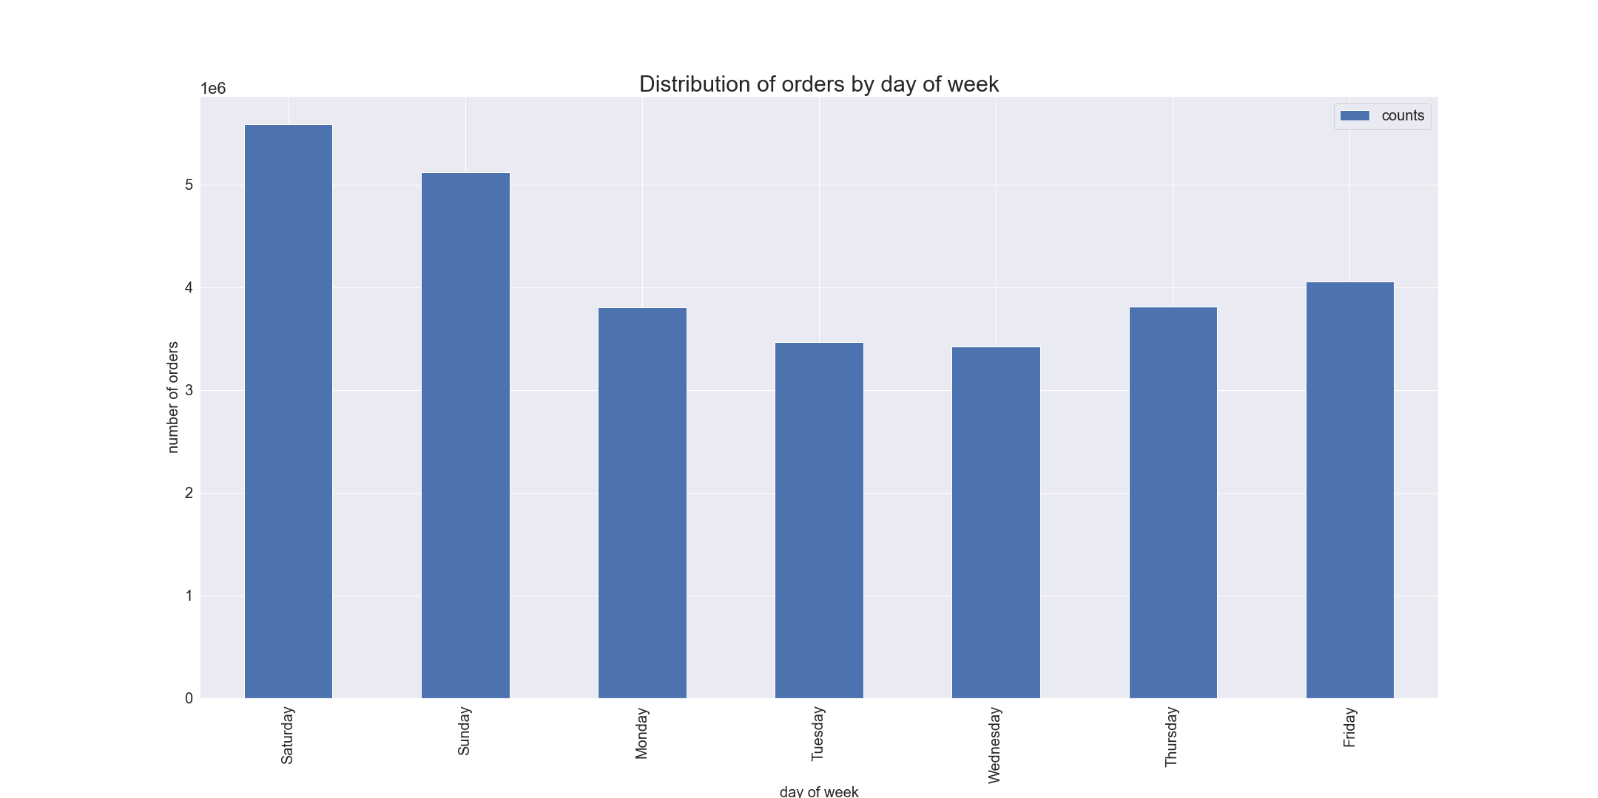

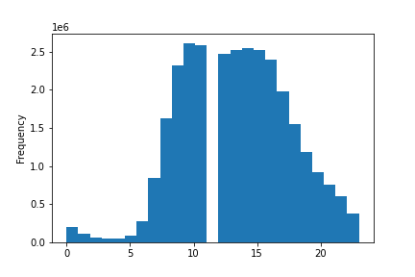

Q2. They also want to know whether there are particular times of the day when people spend the most money, as this might inform the type of products they advertise at these times.

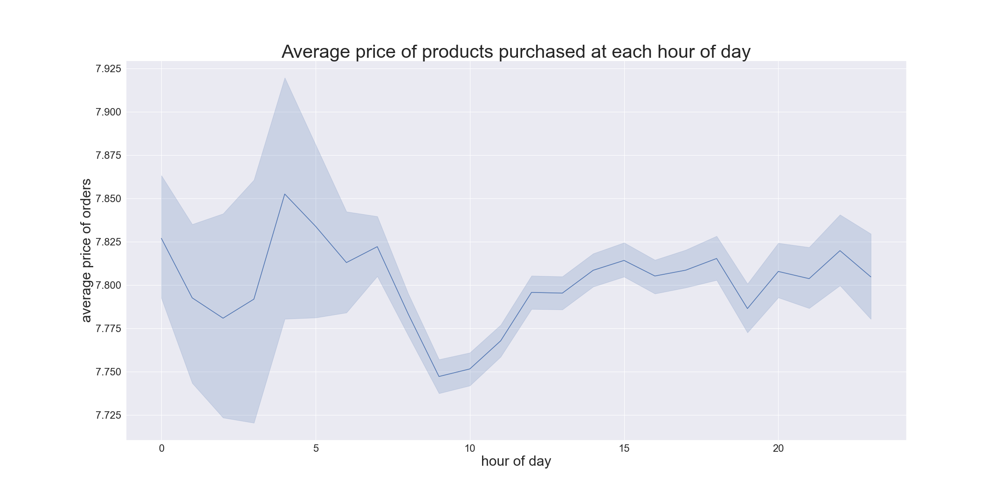

Q3. Instacart has a lot of products with different price tags. Marketing and sales want to use simpler price range groupings to help direct their efforts

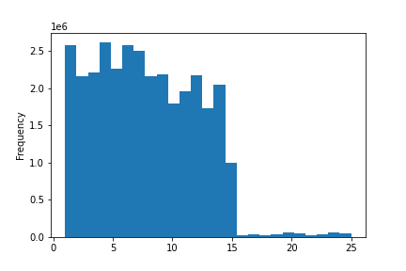
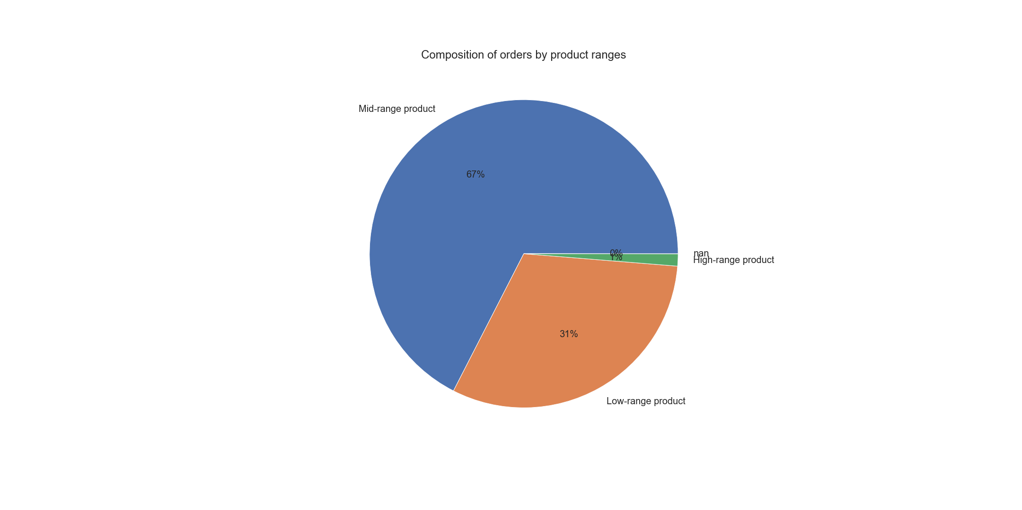

This histogram shows the distribution of prices for products.
Price <= $15 : Low range product
$5 < Price <= $15 : Mid range product
Price > $15 : High range product
This pie chart shows the composition of orders by product ranges.
Over half of share (67%) is Mid range product, 31% of share (31%) is Low range product, and rest (1%) is High range product.

Q4. Are there certain types of products that are more popular than others? The marketing and sales teams want to know which departments have the highest frequency of product orders.

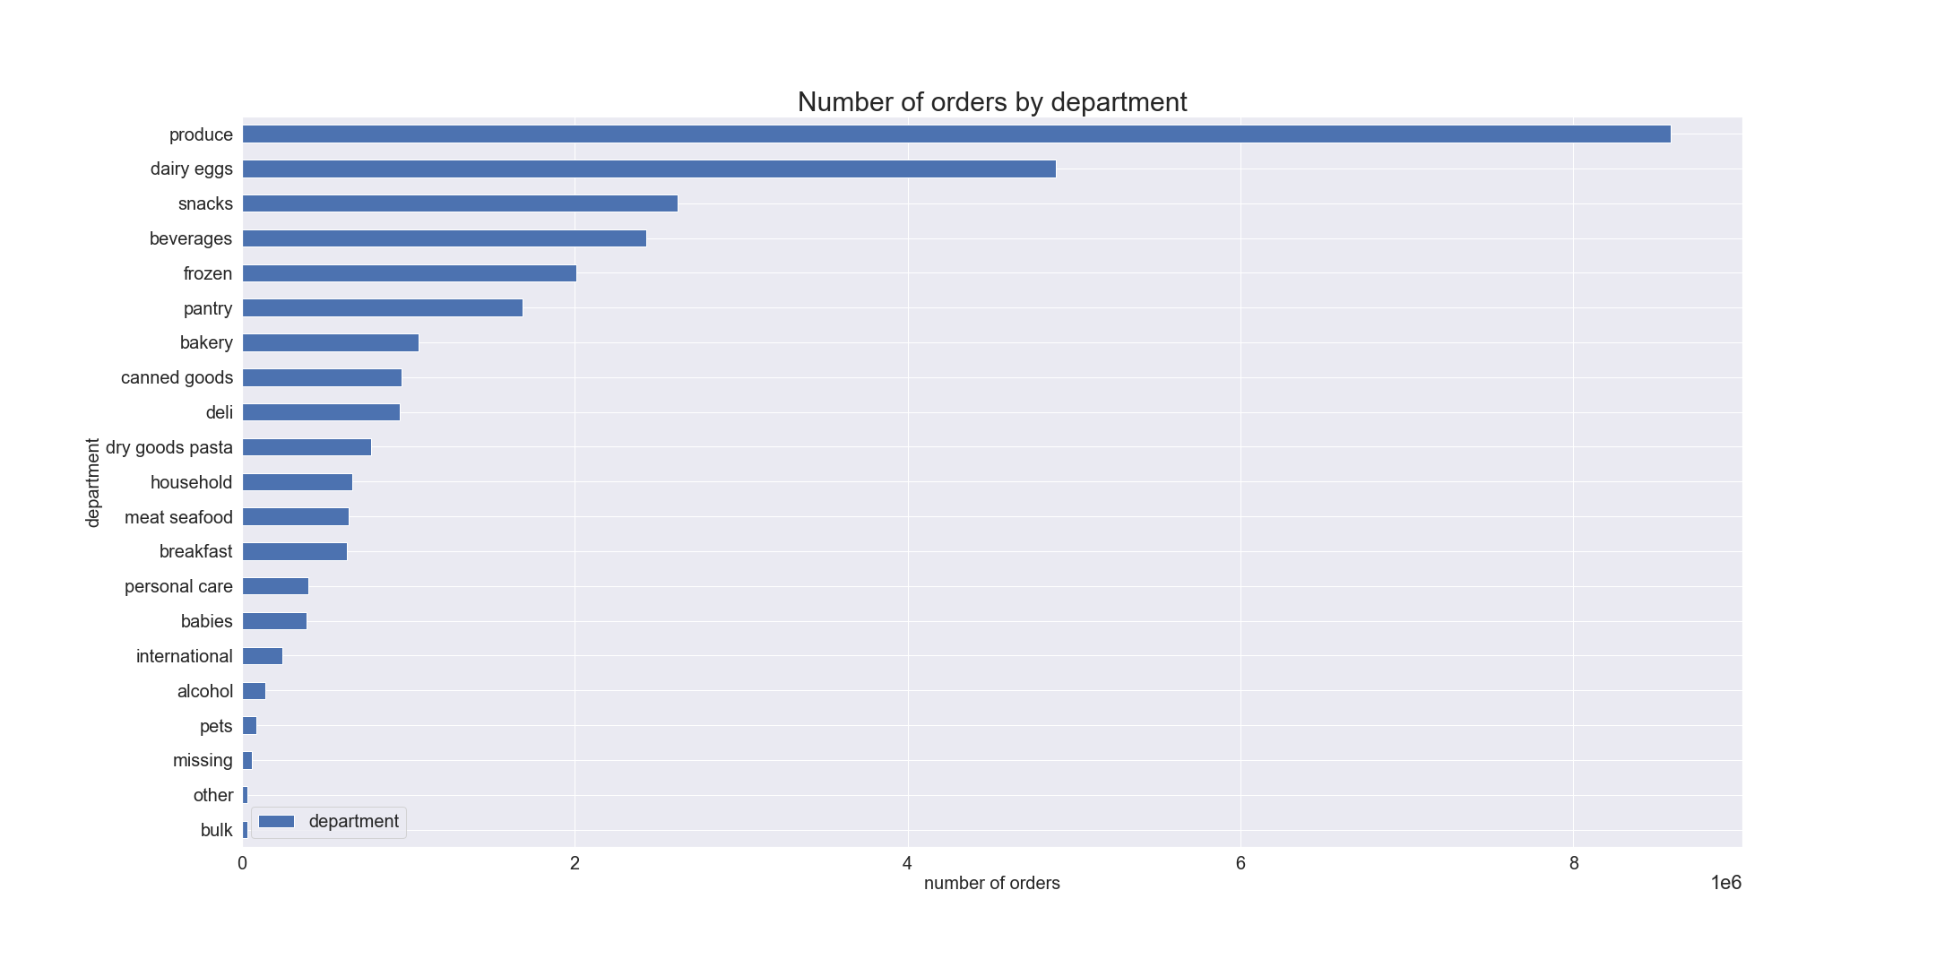

This bar chart shows number of orders by department.
"Produce" ranked the top number of , followed by dairy eggs, snacks, beverages and frozen departments. The least number of purchases were made from bulk department.

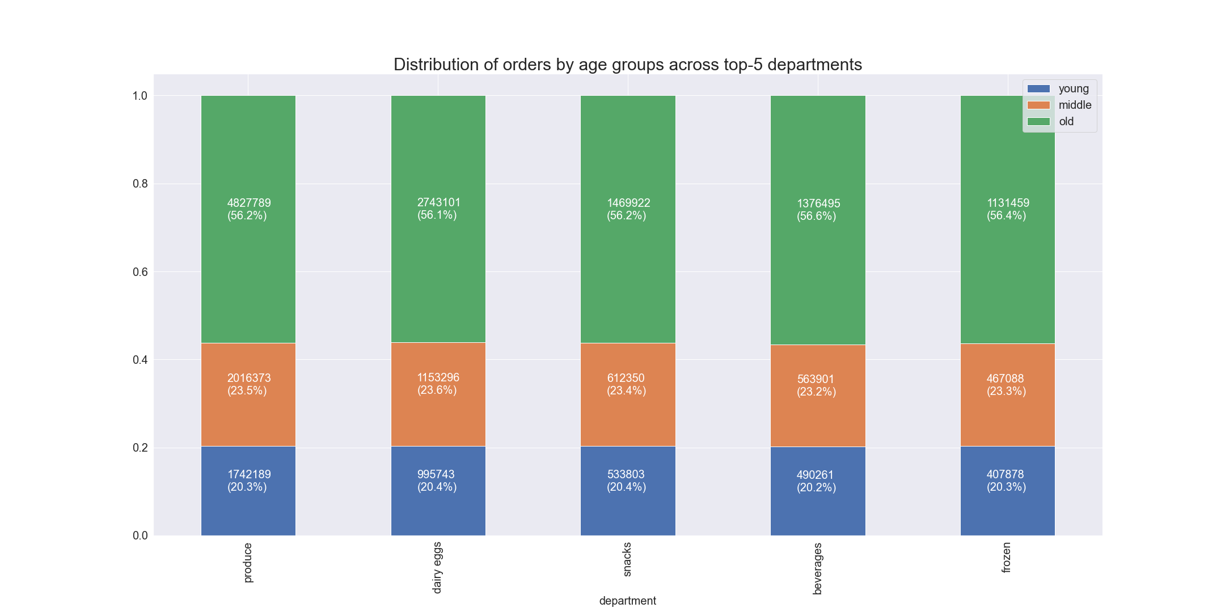

This bar chart shows Top 5 order distributions by age groups.
Over half of produce, dairy eggs, snacks, beverages, and frozen were ordered by Old age group, followed by Middle, and young.

Q5-1. What’s the distribution among users in regards to their brand loyalty (i.e., how often do they return to Instacart)?

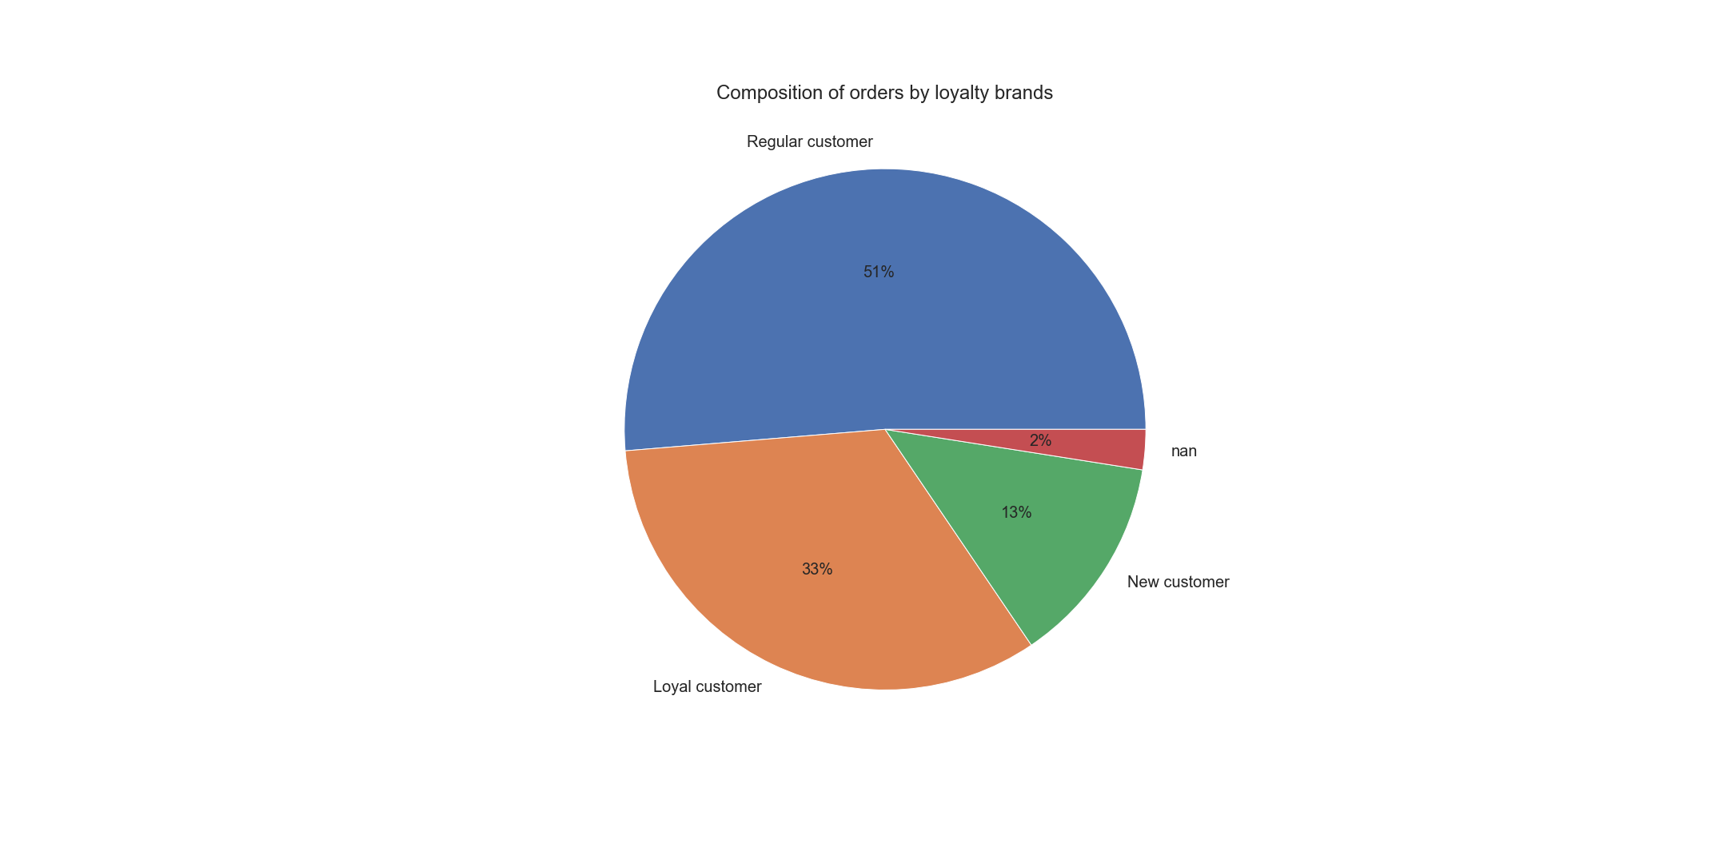

This pie chart shows the composition of orders based on brand loyalty.
Over half of the orders were made by regular customers (51%), 33% of orders were made by loyal customers and only 13NewBas% of orders are made by new customers.

Q5-2. Are there differences in ordering habits based on a customer’s loyalty status?

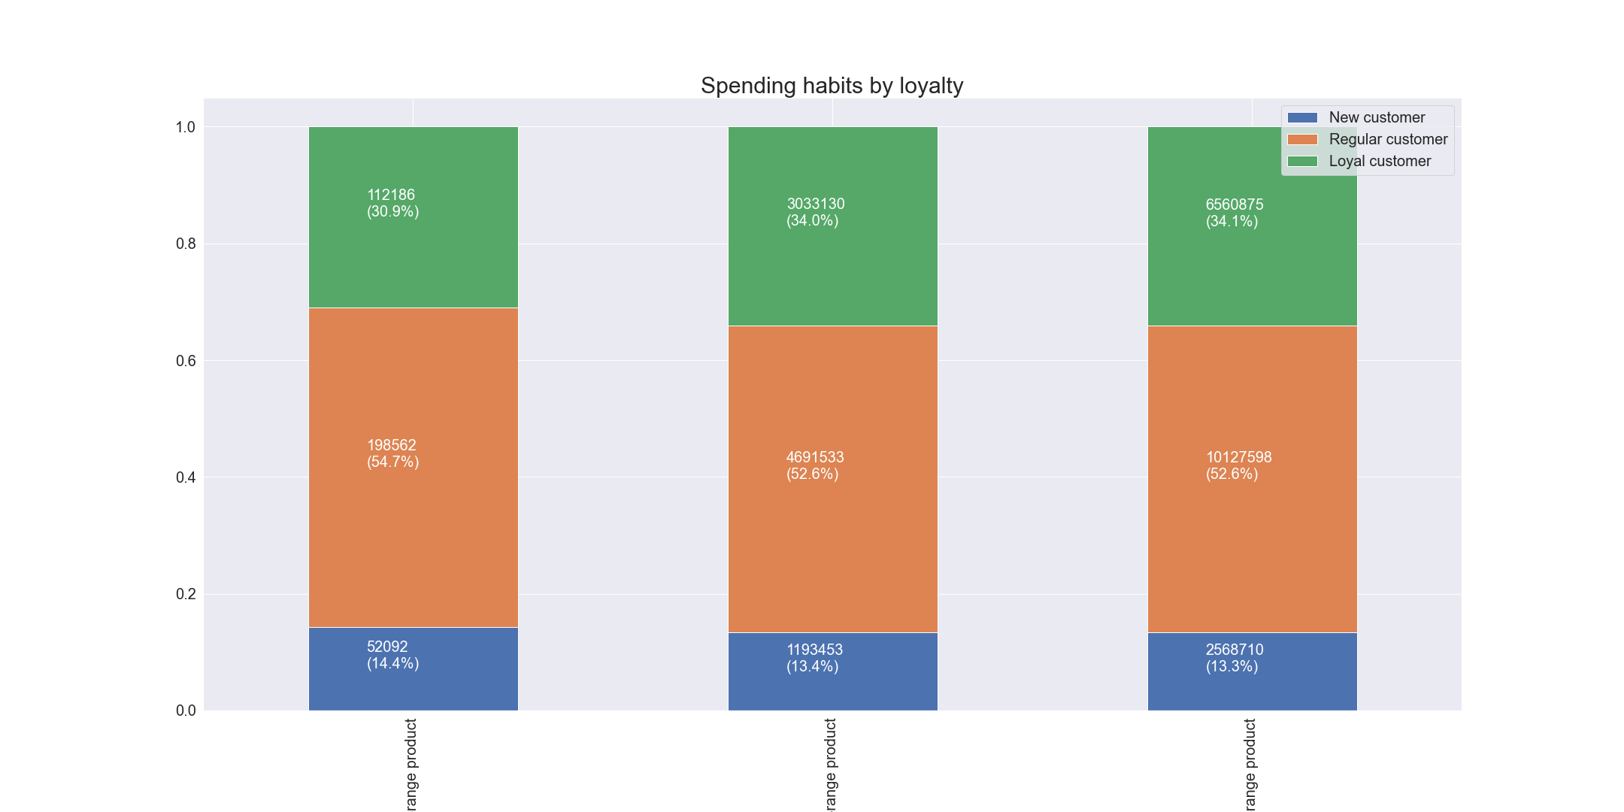

This stacked bar chart shows the spending habits of customers based on price range.
Among stacked bars, meaningful difference was not found.

This table shows the mean, min and max of order prices for loyalty flags.
We can notice that the average price for New customers is a bit higher than Loyal and Regular customers. All age groups' max and min prices are the same
This table shows the mean, min and max of median days between orders for loyalty flags.
We can notice that the average days between the number orders for New customers is more than twice bigger than Loyal customers, while Regular customers show 10 days.
New and Regular customers have the same max days, and Loyal customers have 14 days.
All age group have the same min days
 | prices |  |  |  |  |  | median_order
 | mean | min | max |  |  |  | mean | min | max
loyalty_flag |  |  |  |  |  | loyalty_flag
Loyal customer | 7.775282 | 1 | 25 |  |  | Loyal customer | 5.175954 | 0 | 14
New customer | 7.800237 | 1 | 25 |  |  | New customer | 18.351896 | 0 | 30
Regular customer | 7.79876 | 1 | 25 |  |  | Regular customer | 10.616838 | 0 | 30

Q5-3. Are there differences in ordering habits based on a customer’s region?

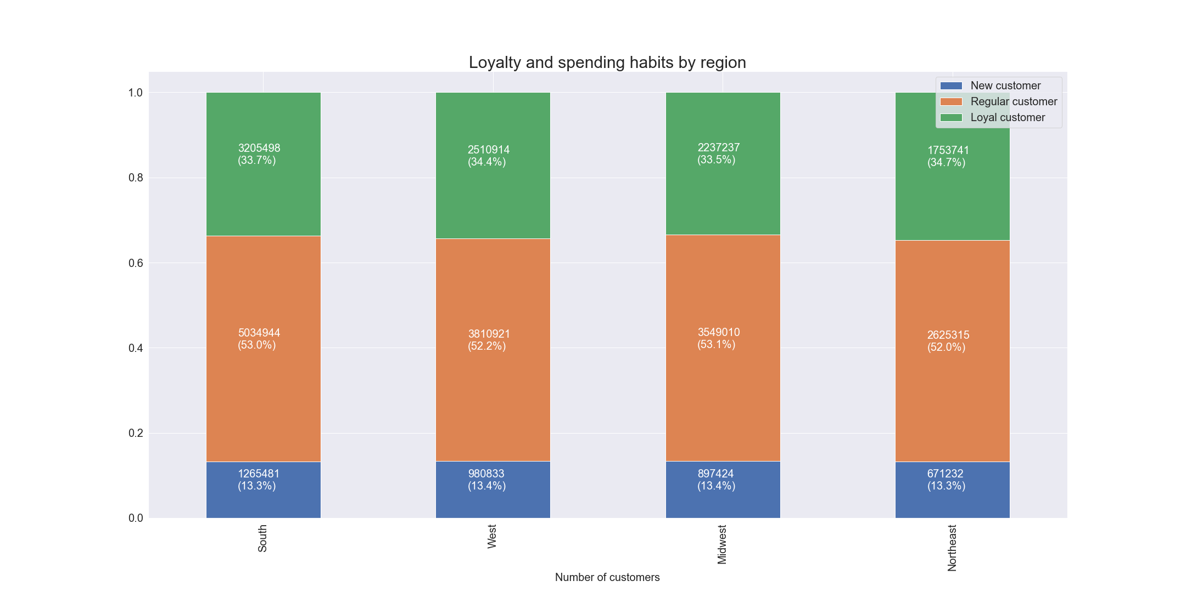

This stacked bar chart shows the distribution of loyalty across regions.
All regions have almost the same loyalty distribution

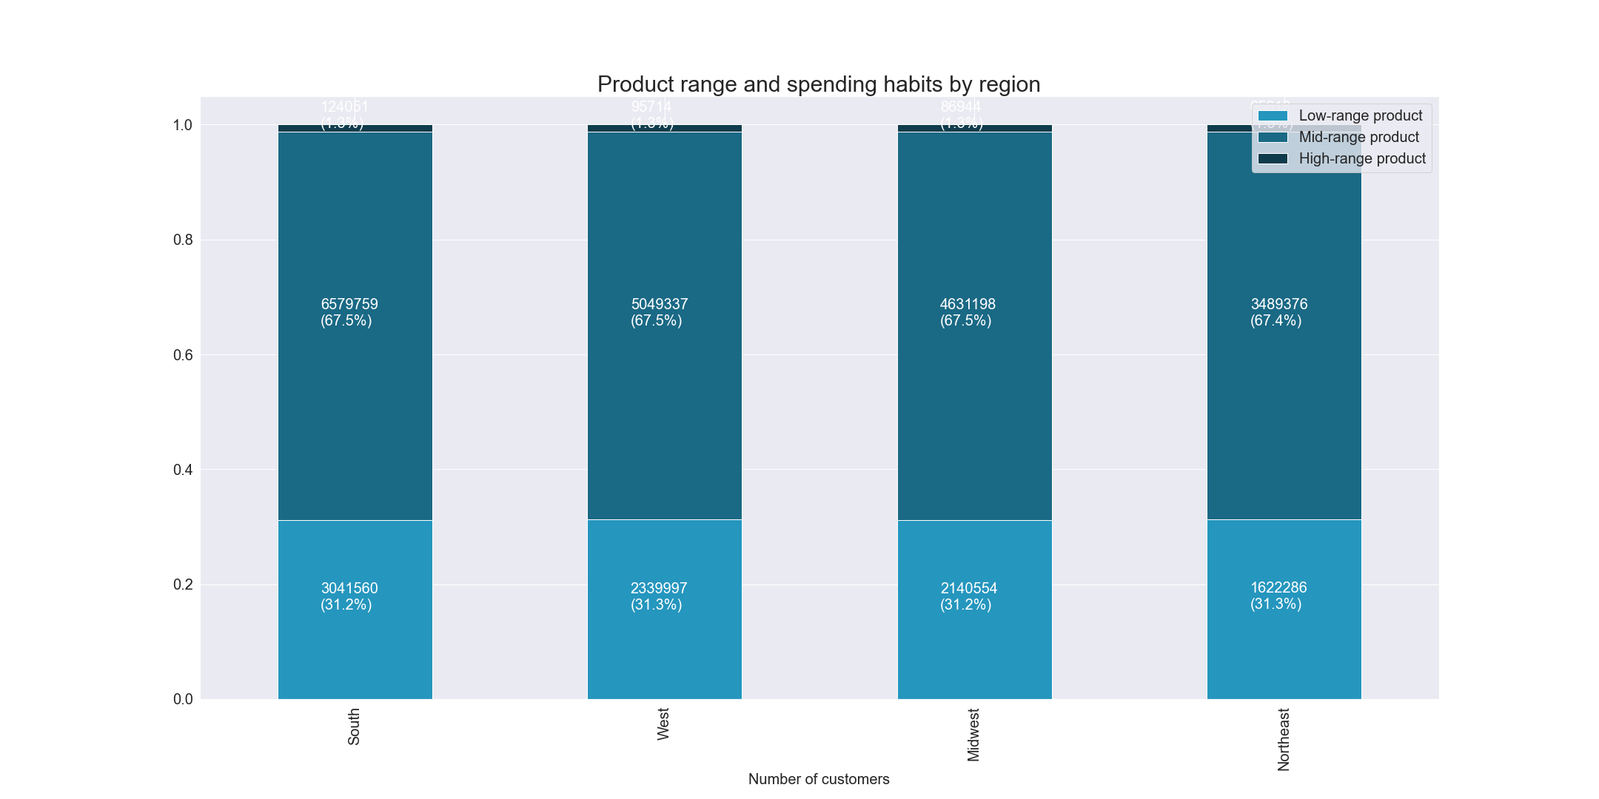

This stacked bar chart shows the spending habit of each region by price range of product.
All regions show almost the same distribution of price range.

Q5-4. Is there a connection between age and family status in terms of ordering habits?

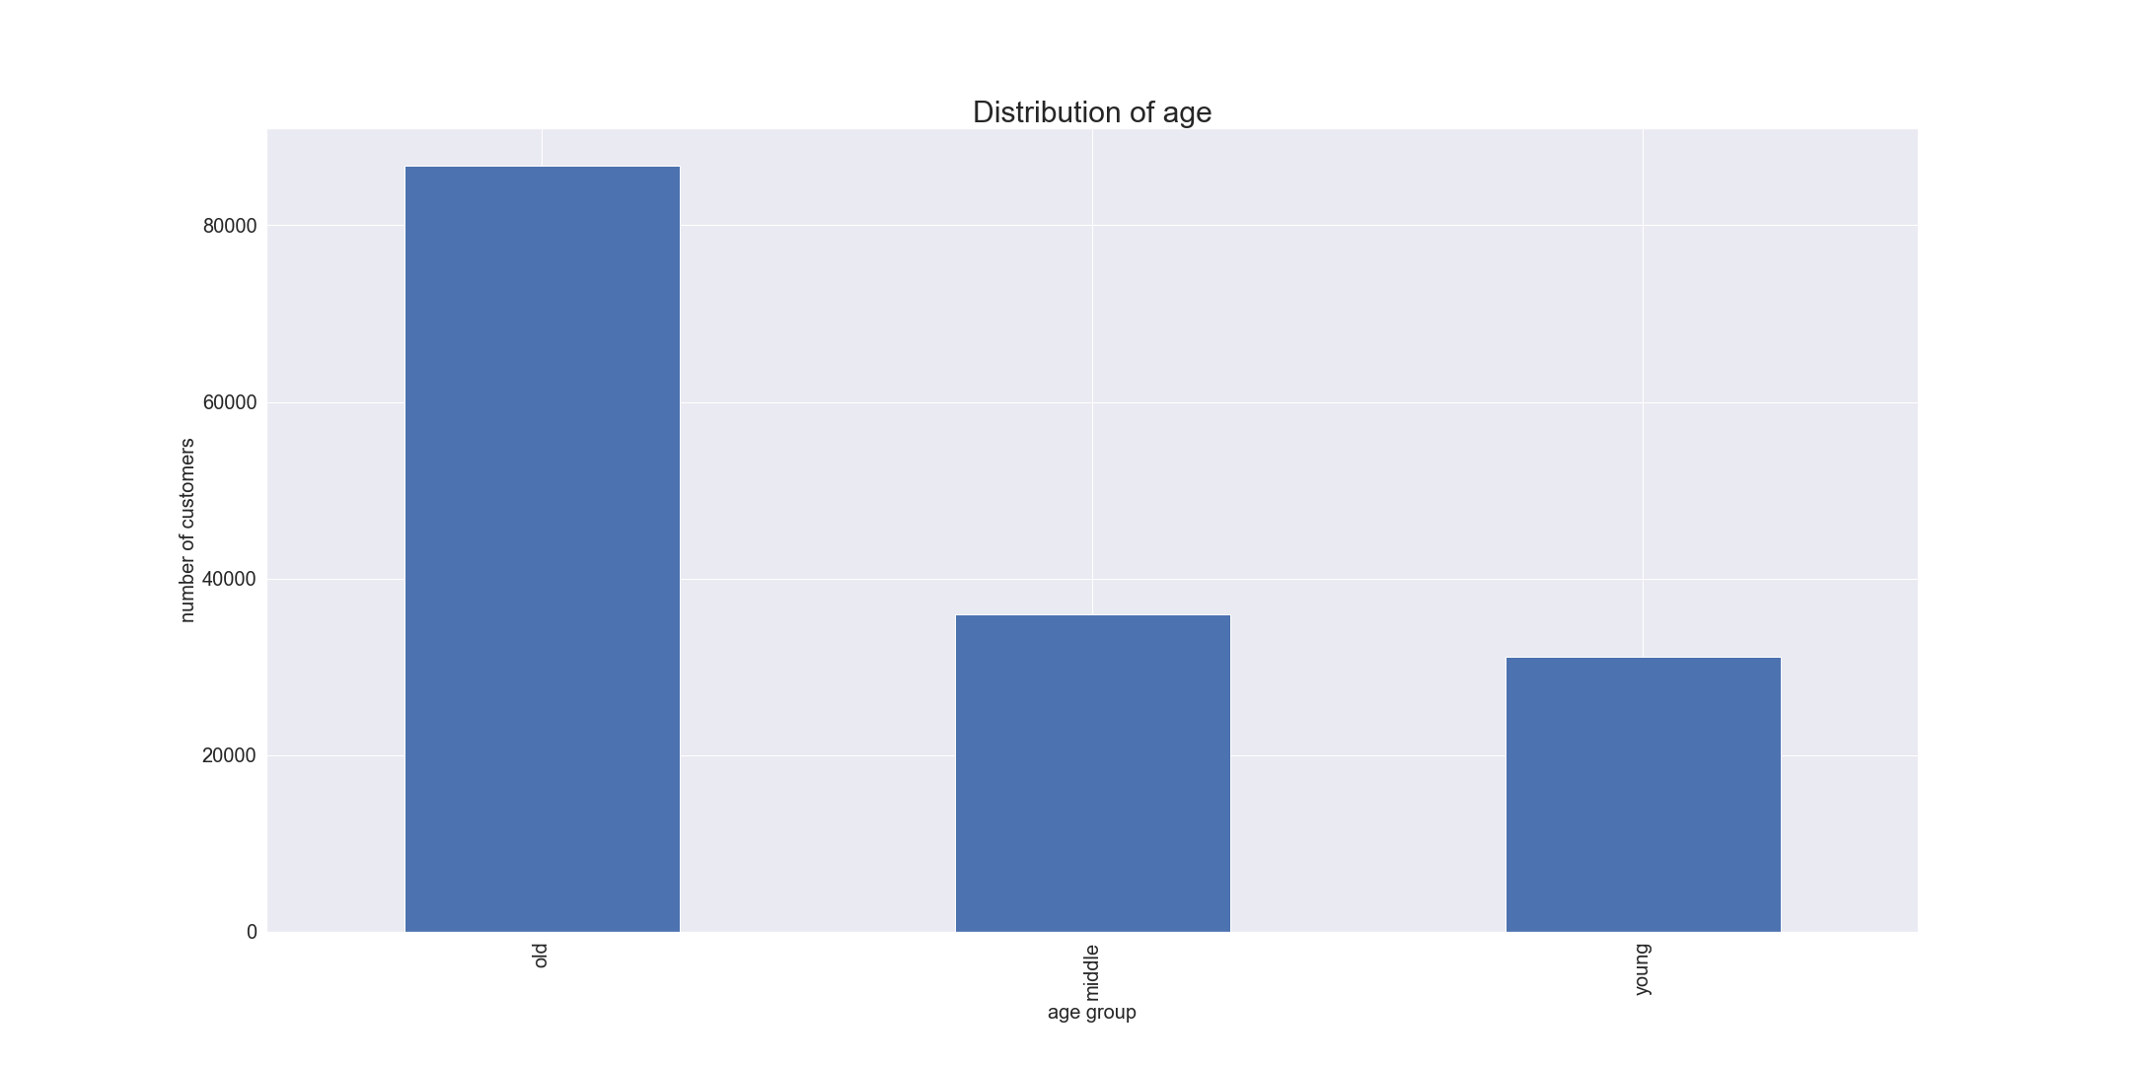

This bar chart shows the distribution of age groups.
The highest number of age group is Old, follwed by Middle and Young.
Young : age <= 35
Middle : 35 < age < 56
Old : age >= 56

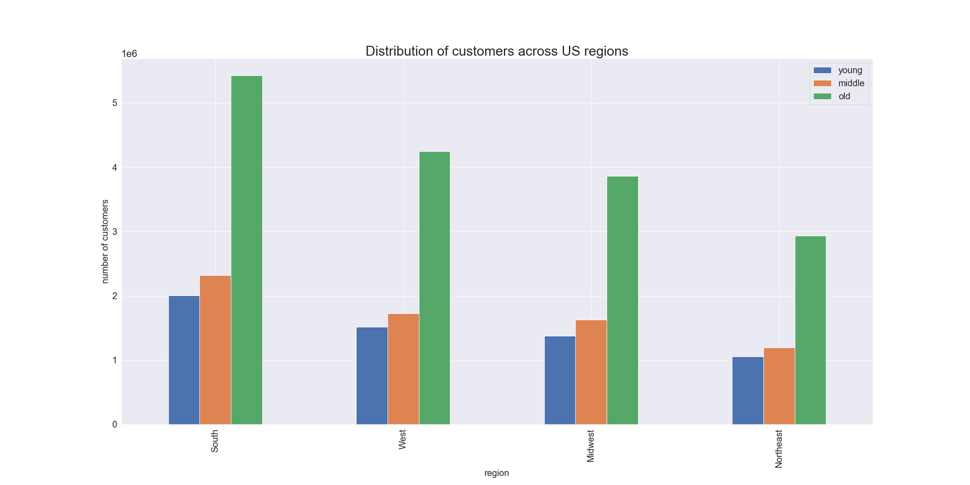

This bar chart shows the distribution of age groups in each region.
Across US regions, Old ranked the top. followed by Middle and Young.

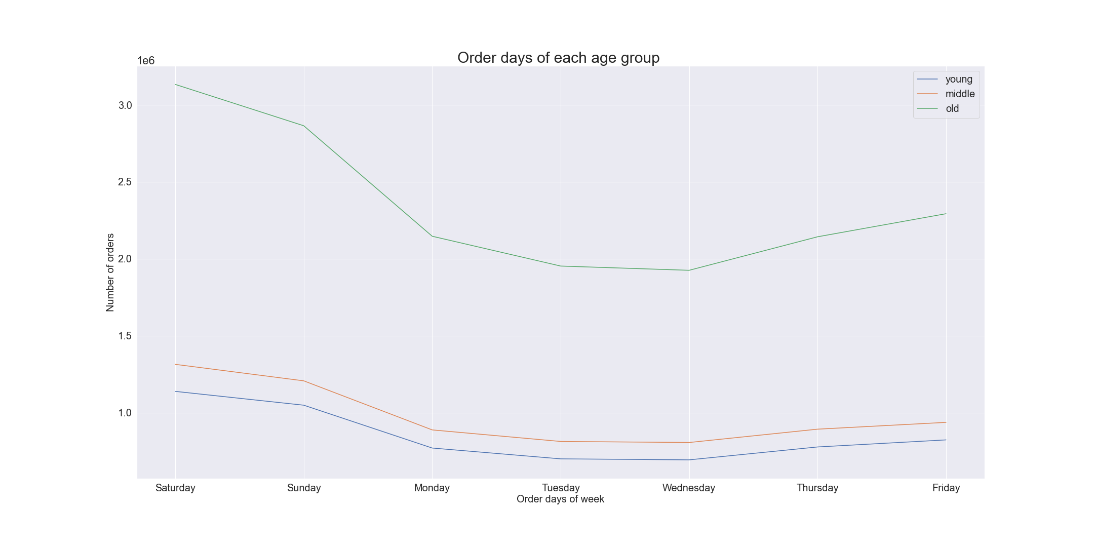

This line chart shows each day's number of orders by each age group.
Old age group ordered the most than other age groups. And all of age groups show almost the same pattern of ups and downs of the week.

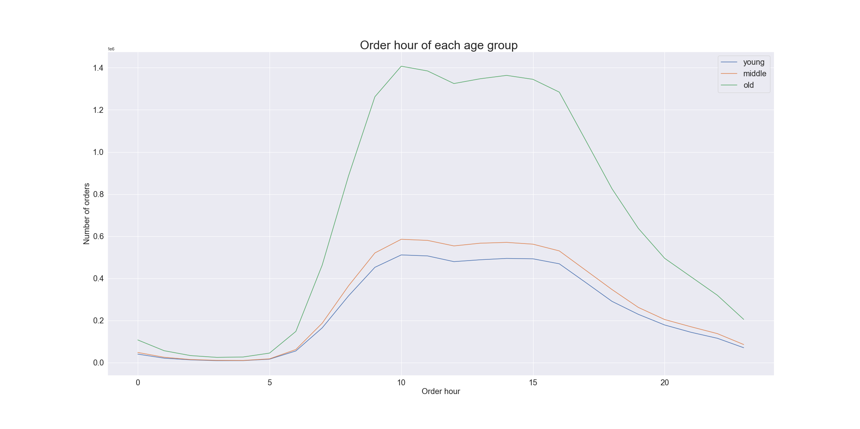

This line chart shows the distribution of orders by hour of the day across age groups.
In this chart, all age groups show the same spending pattern, and the orders begin to pile up and shrink between 5 am and 4 pm.

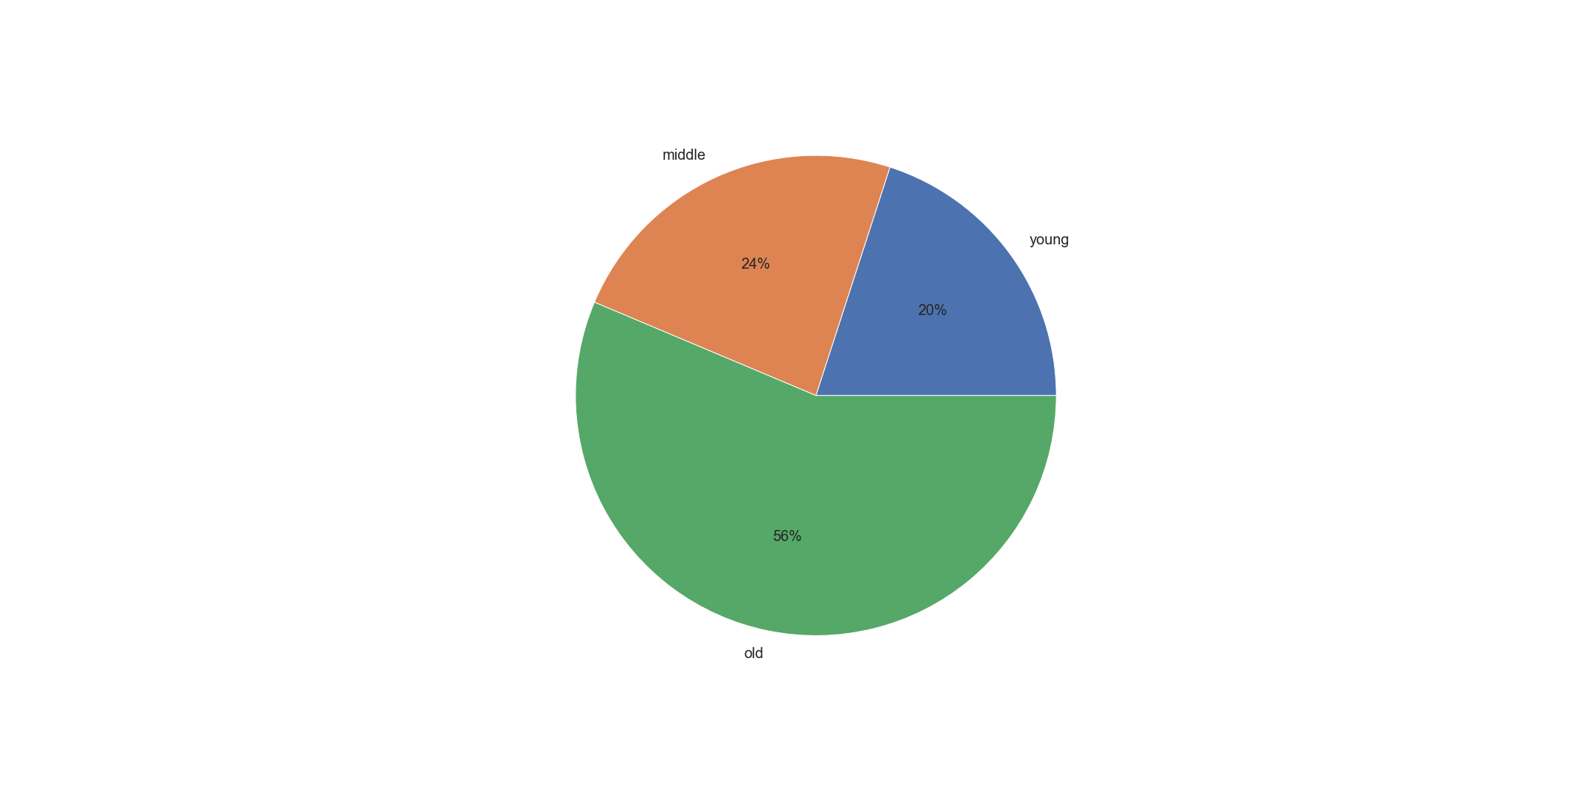

Loyal customer
Old age group share over half of total (56%), followed Middle and Young

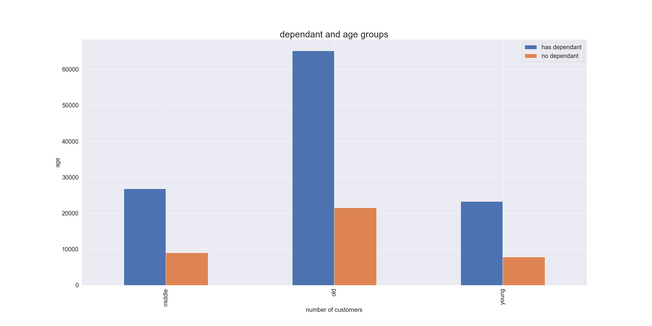
New customer


Regular customer

Both Regular and New customer share the same percentage of each age group.
This bar chart shows the distribution of each age group's dependancy status.
Old age group has the highest number of "have dependant" customersand Young age group has the lowest number of "no dependant" customers.

Q5-5. What different classifications does the demographic information suggest? Age? Income? Certain types of goods?

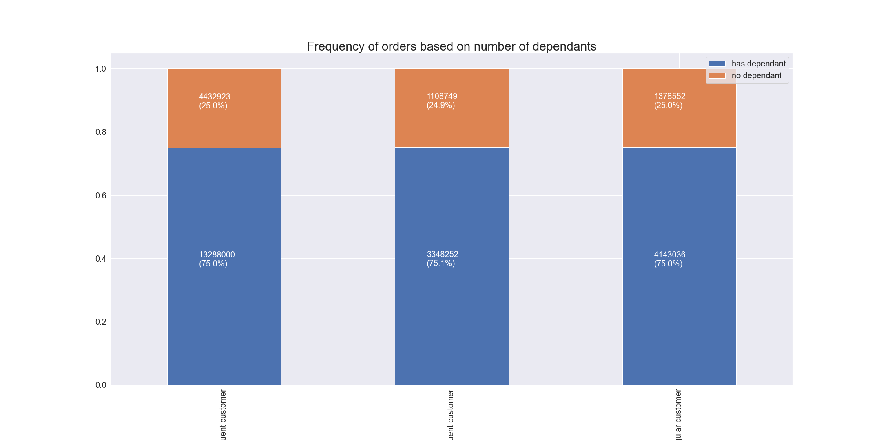
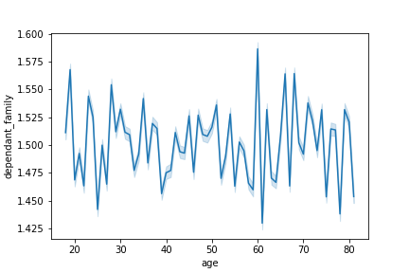

This stacked bar chart above shows the frequency of orders based on number of dependants.
Among 3 stacked bars, meaningful difference was not found.
This line chart above shows the relationship between number of dependants and age.
Meaningful correlation was not found between 2 factors.

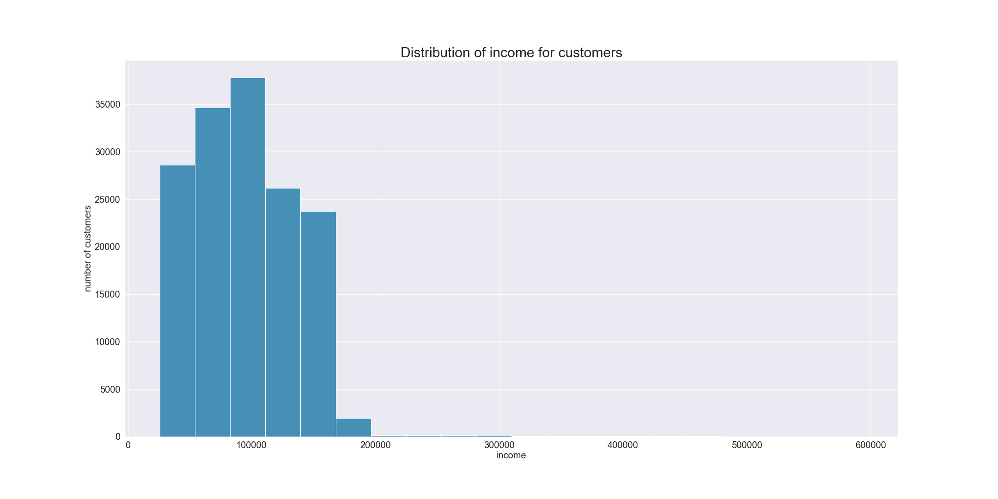
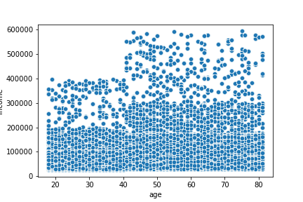

This histogram above shows distribution of income for customers.
Low income : income <= 55000
Middle income : 5500 < income <= 155000
High income : income > 155000
This scatterplot above shows the reationship between age and income.
This scatterplot shows that it is common for all age groups that earn up to 200,000 USD. This scatterplot shows that between age of 40's and 80's earn up to 600,000 USD. If Instacart is planning to arouse more sales from the customer, they shoul focus on the age groups from 40 to 80.

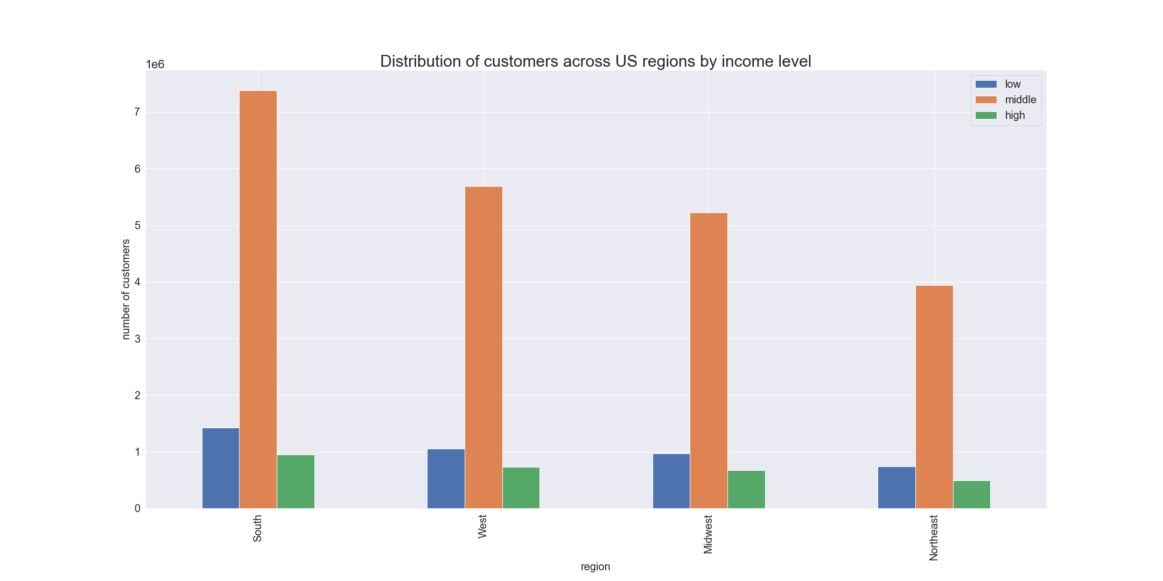
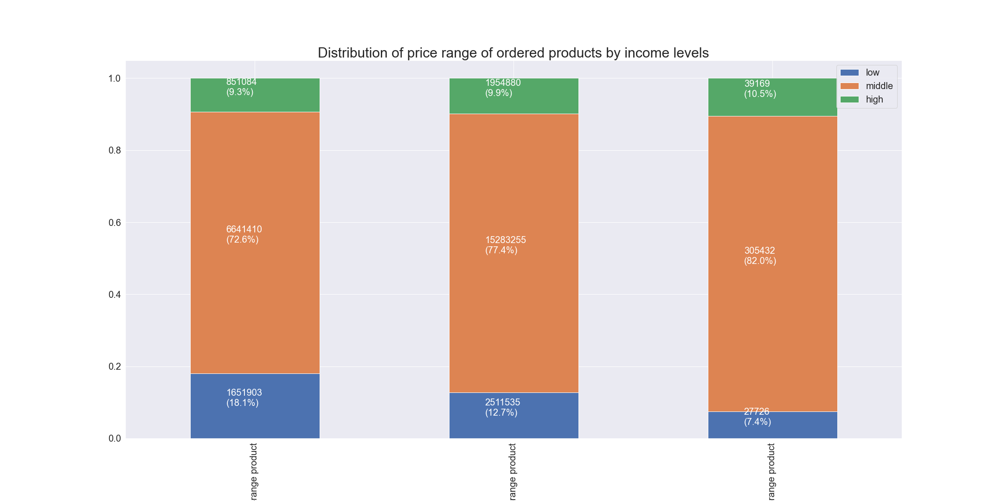

This bar chart above shows the distribution of income levels by regions.
South has the most Middle income customers and Northeast has the lowest Middle income customers. High and Low income for every region is almost same.
This stacked bar chart above shows the distribution of income levels by price range.
Low income customers significantly declines with the increase of product price.

This table shows the summary statistics for median days and order prices for customers with dependants and without dependants.
Slight differences were found only in median order's mean and order price's mean.
 | median_order |  |  | prices
 | max | mean | min | max | mean | min
dependant_profile
has dependant | 30 | 9.973097 | 0 | 25 | 7.792311 | 1
no dependant | 30 | 9.941473 | 0 | 25 | 7.789337 | 1

Q5-6. What differences can you find in ordering habits of different customer profiles? Consider the price of orders, the frequency of orders, the products customers are ordering, and anything else you can think of.

This table shows the summary statistics for median days and order prices for customers and experiency of buying baby stuff.
0 : Never bought baby stuff
1 : Bought baby stuff at least once
 | median_order |  |  | prices
 | max | mean | min | max | mean | min
baby_profile
0 | 30 | 10.739089 | 0 | 25 | 7.771414 | 1
1 | 30 | 8.29605 | 0 | 25 | 7.835033 | 1

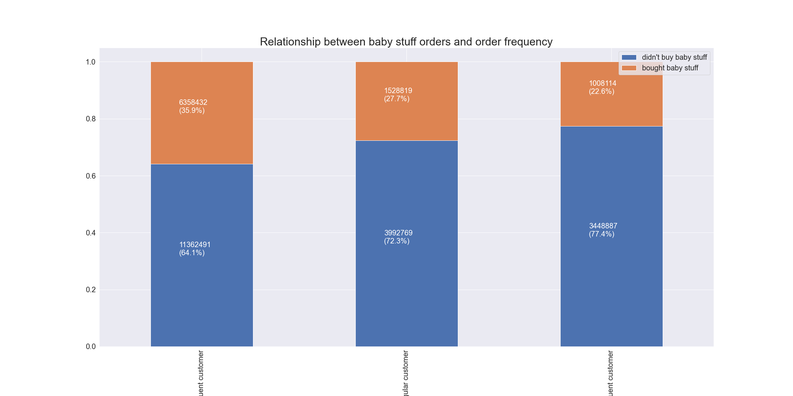
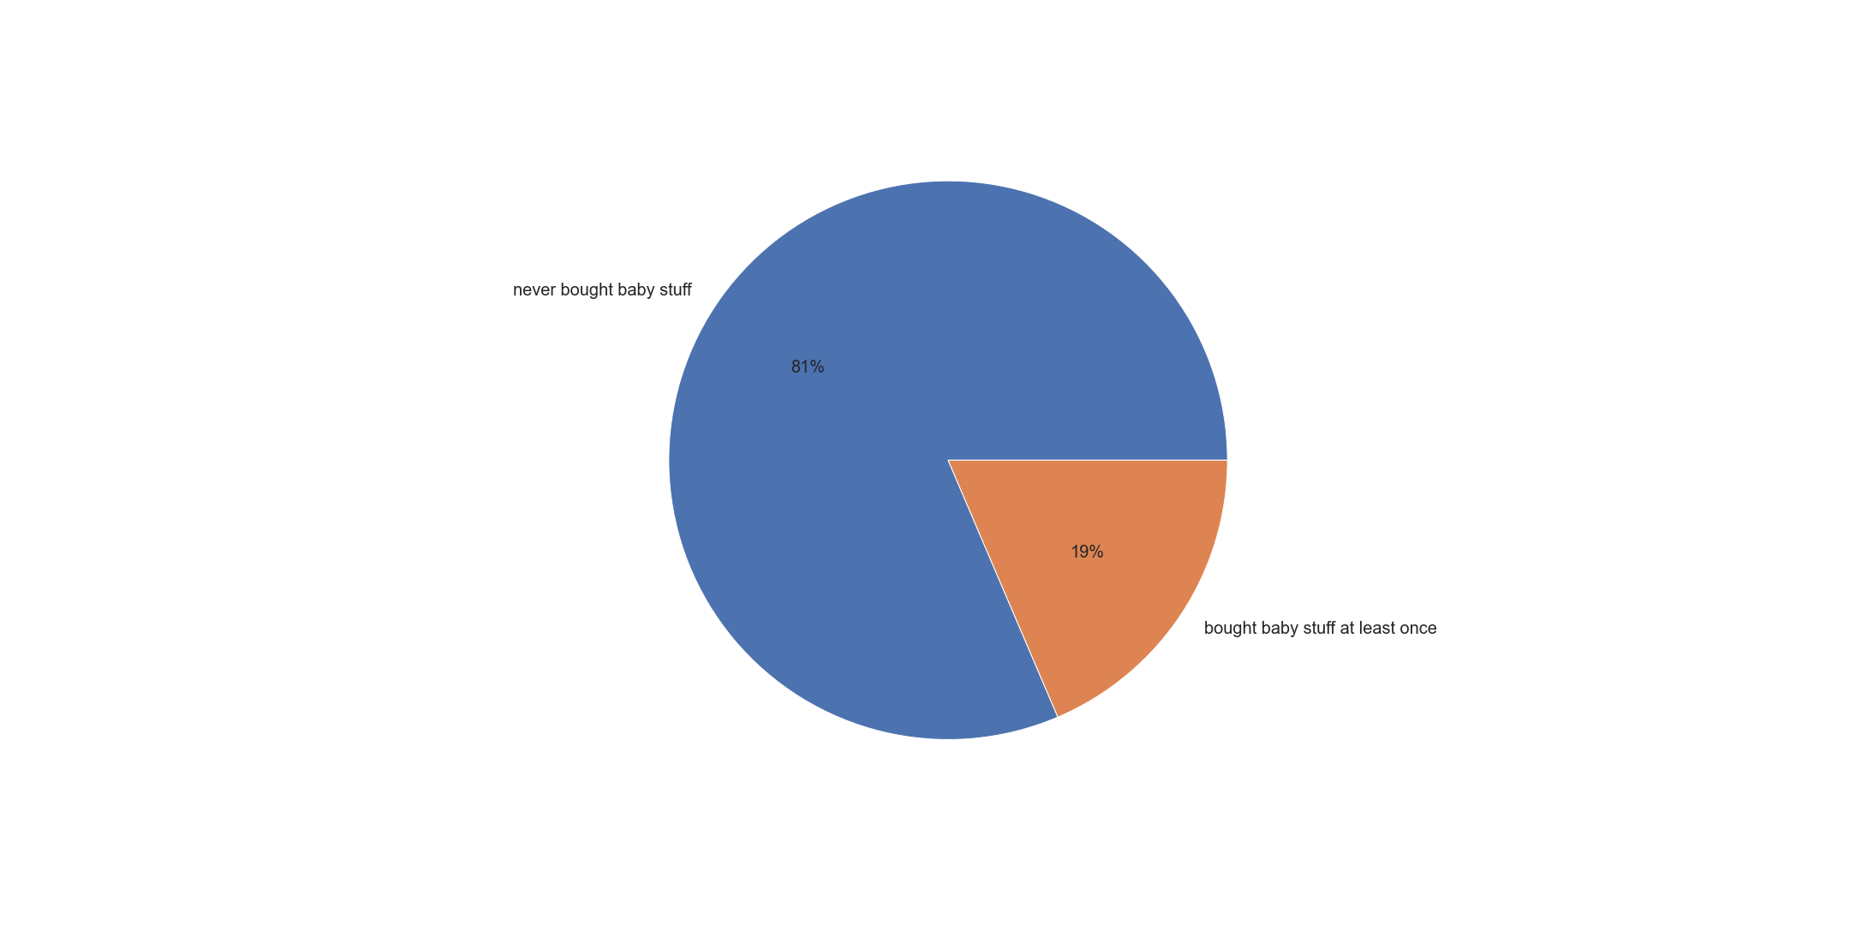

This pie chart shows the experiency of buying baby stuff.
Overall ratio of experiency of buying babay stuff is dominated by "Never bought baby stuff"
This bar chart shows the ratio of order frequency and experiency of buying baby stuff.
Frequent customer group has the highest ratio of "Bought baby stuff" and Non-frequent customer group has the lowest ration of "Bought baby stuff"

This table shows the summary statistics for median days and order prices for customers and experiency of buying pet stuff.
0 : Never bought pet stuff
1 : Bought pet stuff at least once
 | median_order |  |  | prices
 | max | mean | min | max | mean | min
pet_profile
0 | 30 | 10.059655 | 0 | 25 | 7.789376 | 1
1 | 30 | 9.208975 | 0 | 25 | 7.809118 | 1

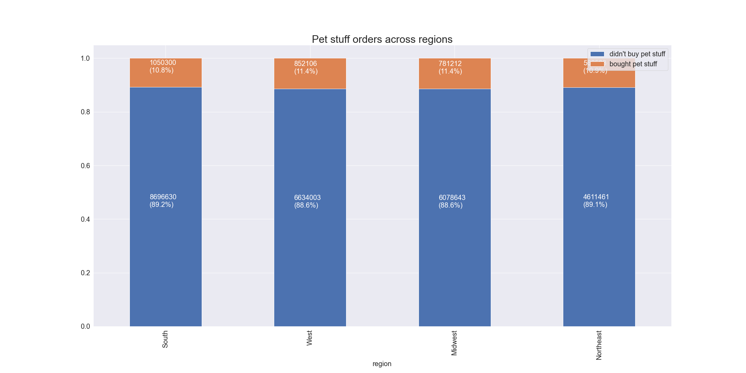
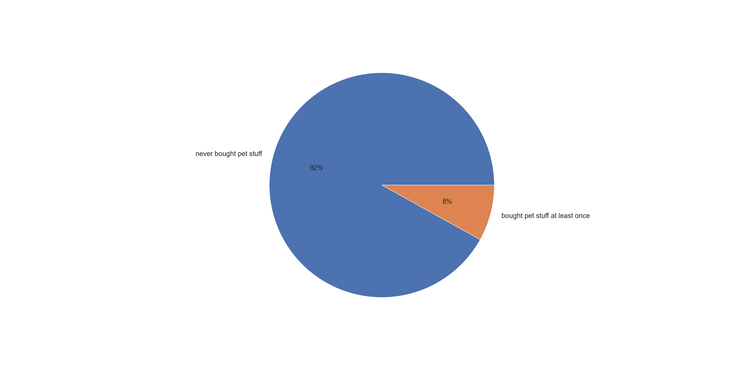

This pie chart shows the experiency of buying pet stuff.
Overall ratio of experiency of buying bpet stuff is dominated by "Never bought petAdv stuff"

This bar chart shows theexperiency of buying pet stuff by regions.
South : 10.8%
West : 11.4%
Midwest : 11.4%
Northeast : 10.9%
When we compared each region's experiency percentage, meaningful difference was not found in each region. Approximately 11% of customers have the experiency of buying pet stuff.

7. Recommendations
 |  |  | Title page

Recommendations

In this tab you should include any recommendations you would made to Instcart in terms of their marketing strategy based on the questions posed in the brief. Every key question has been covered in the Tasks of the Exercises - here you need to add an item - a visualisation or table/crosstable that is showing the answer in the data, acompanied by a comment from you. Please, list the questions below and add the answer underneath.

Question | Answer
Key Question 1 |  | Advertisement shoild be scheduled between 4 pm and 9 am during weekdays.
Key Question 2 |  | sales team have to pay attention to analysing time of 12 pm to 7 am to increase the sales of high-range products.
Key Question 3 |  | Relatively, high-range products' sales is too low. Sales team needs to figure out the way of increasing high-range products to increase the sales more efficiently.
Key Question 4 |  | Because the largest consumer for top 5 department is Old age group, so to increase the overall sales from them, sales team may want to prepare ads and products that are friendly to old age group.
Key Question 5-1 |  | New customers' ratio is too low. Ads need to be produced more actively.
Key Question 5-2 |  | Periodic notification about special offers could be a good idea to raise the sales.
Key Question 5-3 |  | Because every region shows the pretty much similar sales report, the ads should be made which can target every region.
Key Question 5-4 |  | All age groups ordering hour and days are pretty much similar, so from 4 pm to 9 am and from Thursday to Sunday are the best time and days to ads.
Key Question 5-5 |  | Sending special offer notification based on their income and past order history may increase the sales.
Key Question 5-6 |  | Some customers who do not have baby buy baby suffs, and some customers who do not have pet buy pet stuff. Based on this report, we can assume that baby and pet suff could be coumed as a gift. So when we make ads about pet or baby stuff, we emphasize that these can also be good gifts.

